Extra Notes
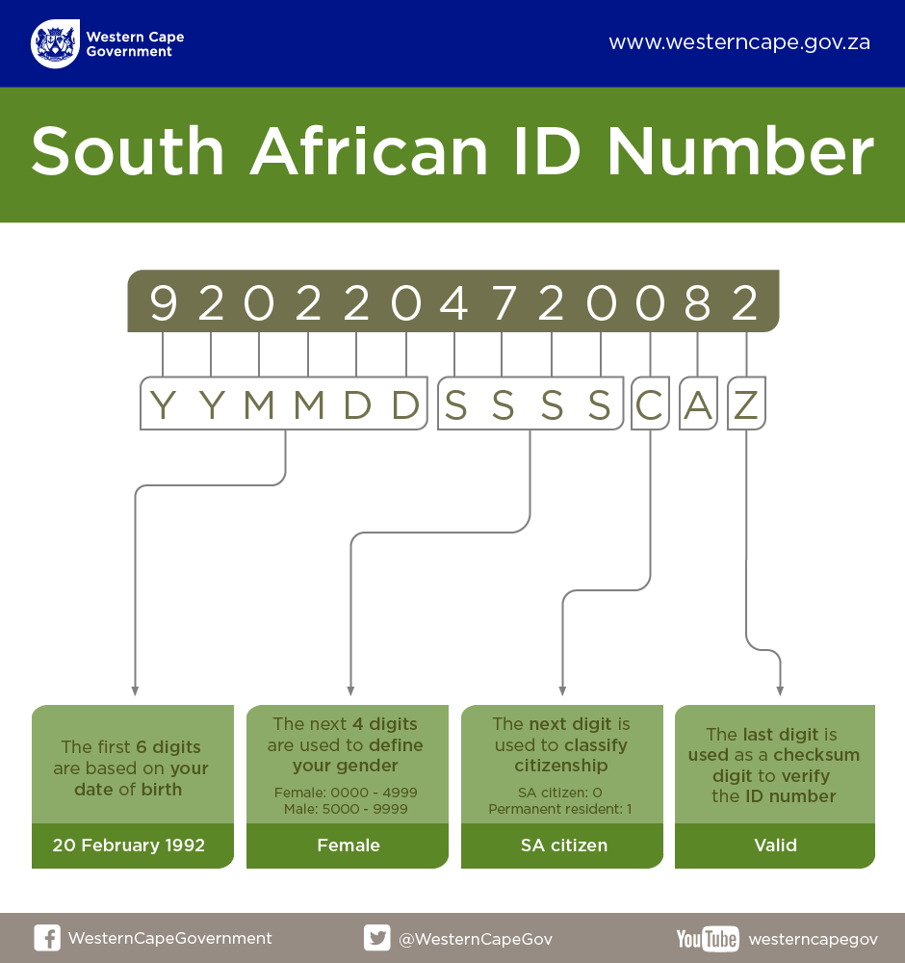
Total Debt Outstanding:
This calculation is simply a sum of all the debt owed, please see example 1 |  |  |  |  |  |  | Useful forumals: IF, LEFT, RIGHT, MID, LEN, TEXT, COUNTIF, SUMIF

Past Due:
This is the debt that has aged past the payment terms, see example 1

Debt Over Limit
Sum of all debt that is over the credit limit assigned to a customer, please see example 1

Example 1
Account | Name | Payment Term (Days) | Credit Limit | Current Due | 30 Days | 60 Days | 90 Days | 120 & Above Days | Total Debt Oustanding | Past Due | Debt over Limit
1 | Freedom Accounting PTY | 30 | R25,000 | R25,151 | R0 | R2,157 | R8,741 | R1,002 | R37,051 | R11,900 | R12,051
2 | Peters Toys LTD | 60 | R150,000 | R650 | R15,518 | R12,000 | R0 | R8,756 | R229,406 | R8,756 | R79,406
3 | Ruhan's butchery CC | 90 | R125,000 | R5,465 | R6,782 | R2,372 | R56,465 | R754 | R71,838 | R754 | R0
4 | Ninja Turtles Biometrics | 30 | R15,000 | R774 | R0 | R0 | R0 | R250 | R1,024 | R250 | R0
5 | Lala land cosmetcs | 30 | R0 | R1,200 | R1,200 | R0 | R0 | R0 | R2,400 | R2,400 | R2,400

ID Number interpretation:

